data
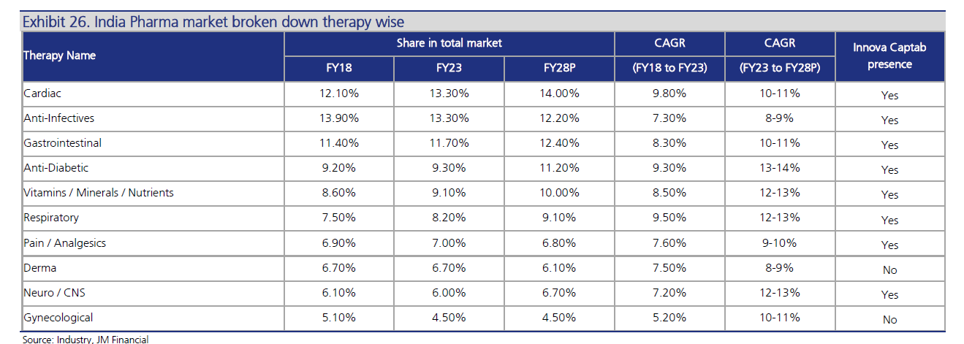
 | no of Mfg Facilities | Sales FY23 | EBIDTA Margins | PAT Margins | EBIDTA Crs | PAT Crs
Akums | 10 | 3,655.00 | 10.40% | 2.60% | 380.12 | 95.03
Innova Captab | 3 | 926.38 | 15.40% | 8.70% | 142.66 | 80.60
Tirupati Medicare | 3 | 969.00 | 9.10% | 4.20% | 88.18 | 40.70
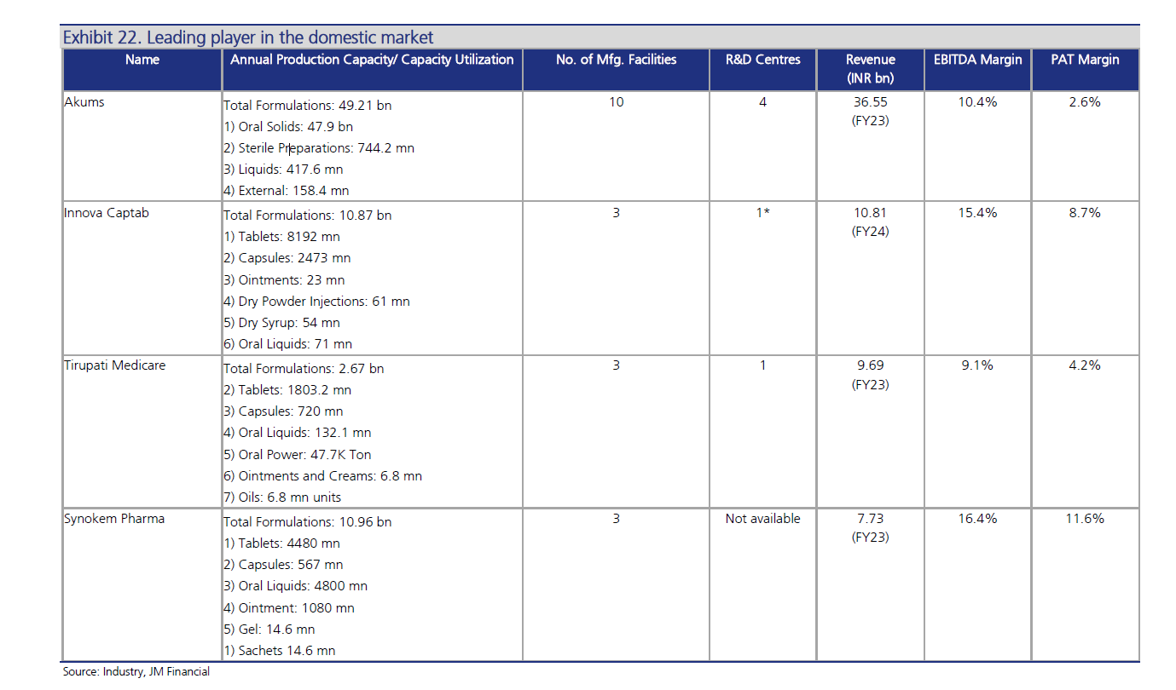
Synoken Pharma | 3 | 773.00 | 16.40% | 11.60% | 126.77 | 89.67
Windlas Bio |  | 513.08 | 11.74% | 8.31% | 60.23 | 42.63

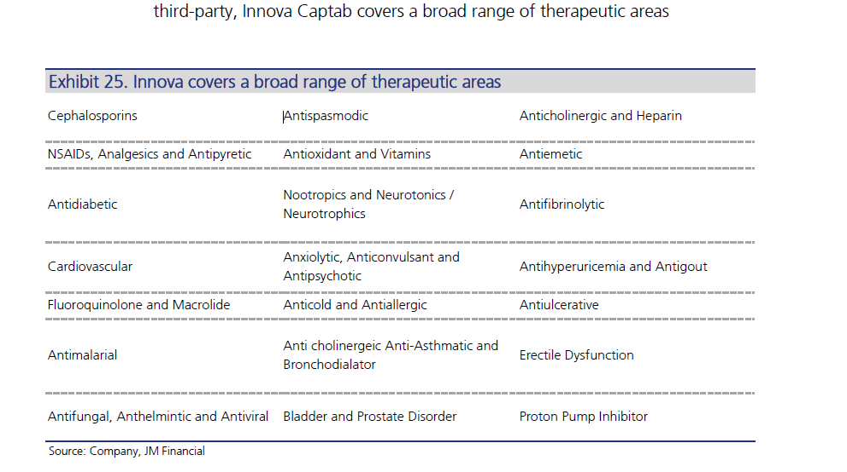

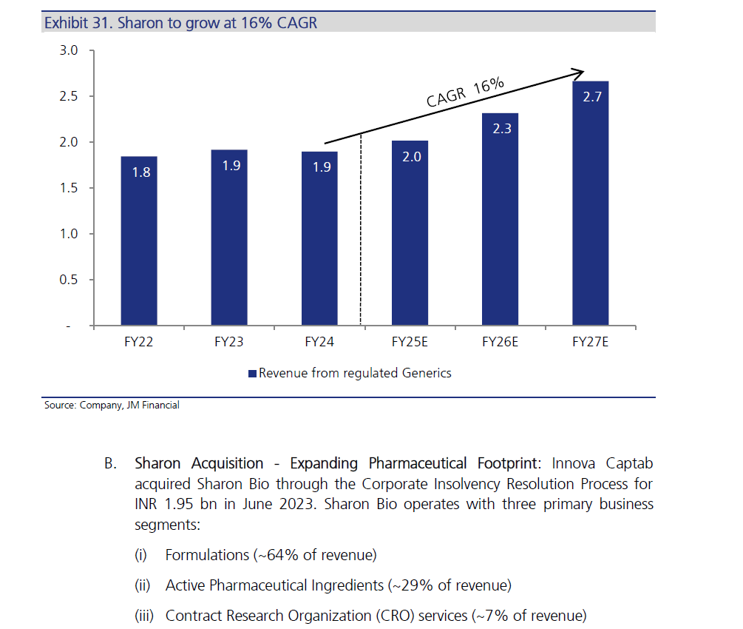

Jammu will have 4 Blocks
Cephaphosporins
BFS (General Block)
Penum
Penicilin
With this total facilities will become 5 with 9 independent blocks |  |  |  |  |  |  | Jammu plant 4 blocks
With Jammu will broaden product portfolio, will cover more formulation from BFS and large volume parenterals |  |  |  |  |  |  | Cephlasporin
interest subvenetion benefit of 6% |  |  |  |  |  |  | Penem
 |  |  |  |  |  |  | Penicillin
 |  |  |  |  |  |  | General
CDMO
how does business model operate
which are the areas we are in currently
pass thrrough how it takes place
Vol growth over last few years and API prices in same period
Our mkt share in CDMO - any data on that
how are competion placed in areas we are in
current utilisation levels in CDMO and how much we can do optimally here

Indian branded generics and International - how are we marketing and what tractions are we seeing

Sharon Bio - mainly into Apis what we do here

Baddi - Unit 1 in 2006 and Unit 2 Cephalosorin block 2010. General block was set up in 2010

Sharon acquired for 195 crs through insolveny. Formulations 64% and API 24%
Theraupeutics area - cardivasular, anti fungal, anti diabetic,
Sharon at 50% utilisation 200 crs can do 100 crs more at 75%

